Application Screen
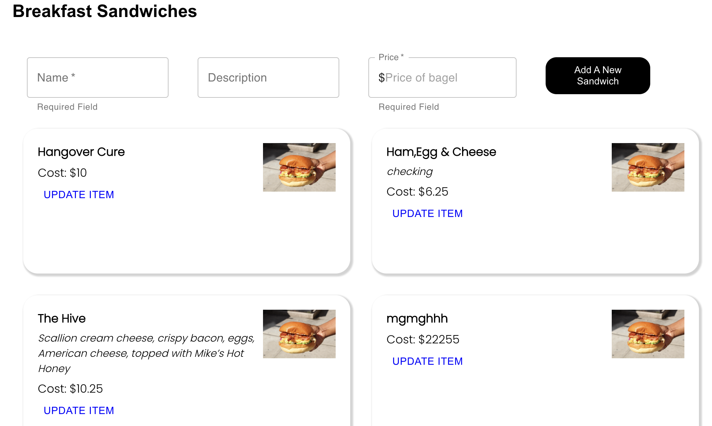
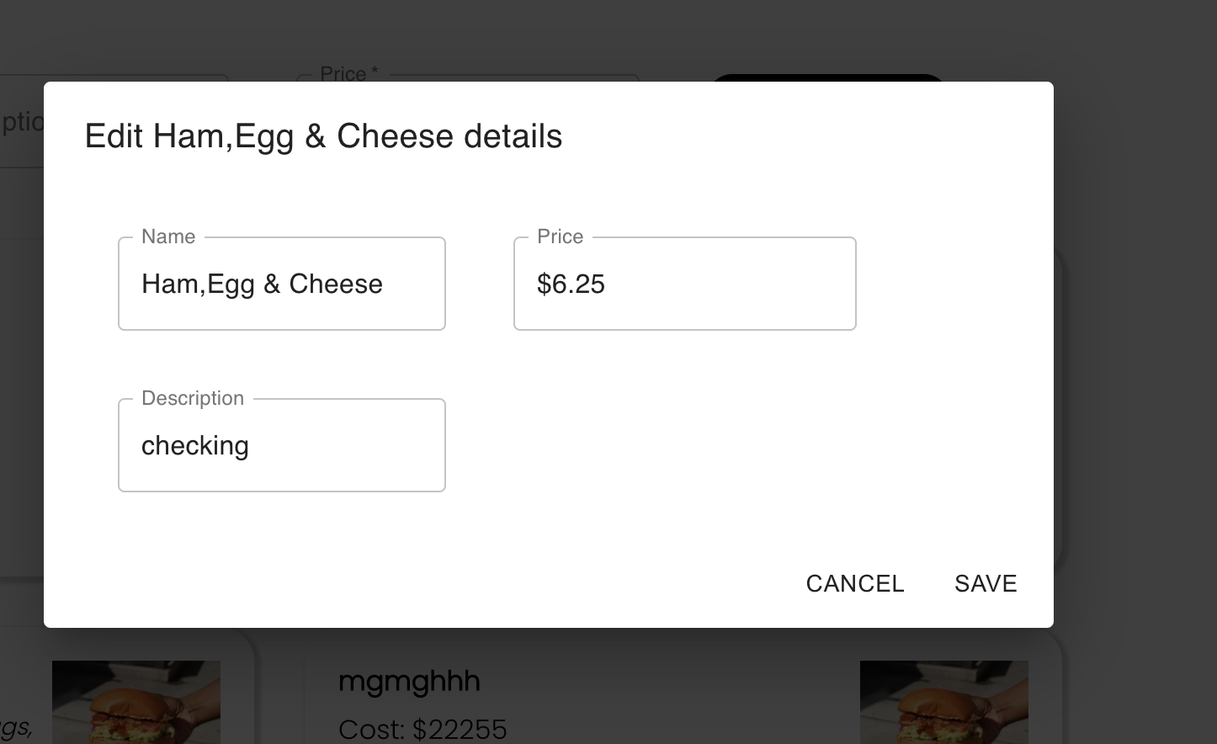

Test Case 4
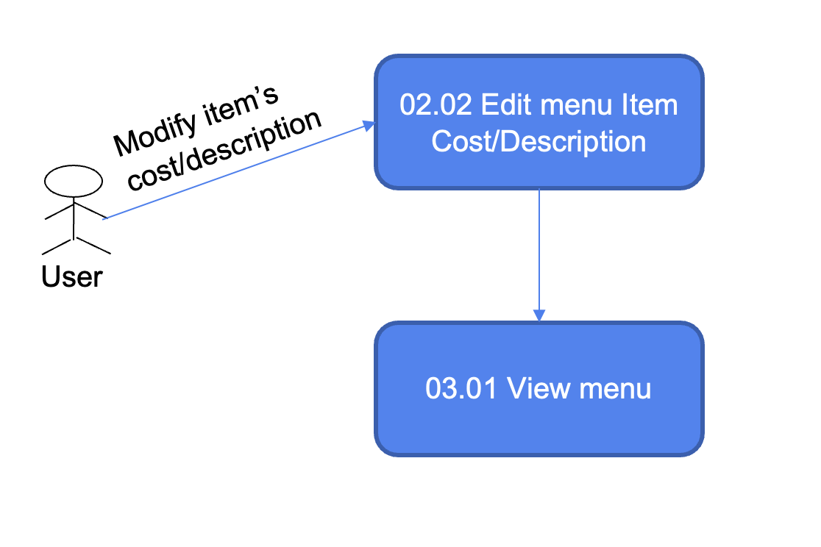
TC Title: | TC4 Data Flow Out

TC Objective: | changes made on admin website are redirected to customer website

TC Description | Step | Step Description | Expected Results
 | 1 | Change an items name, description or cost | That item's information is updated and reflected in the menu
 | 2 | login into customer website and check menu | menu items changed in admin website are reflected on customer website

 | Data Flow Diagram

